DEI Dashboard
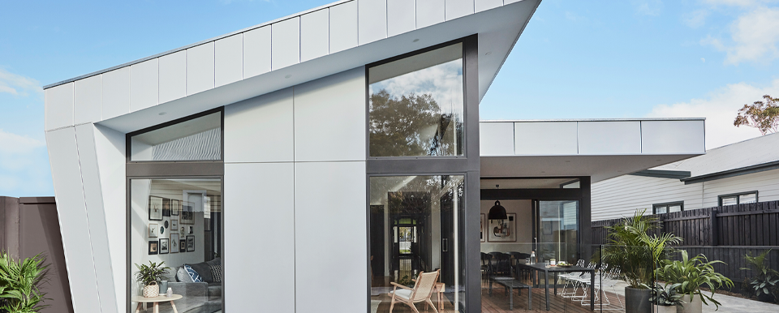
ABC Company

Diversity, Equity & Inclusion

By Country
 | Male | Female
AU | 84% | 16%
NZ | 52% | 48%
PH | 76% | 24%
20
%
80
Male
1076
Headcount
Jul-24
 | SLT
Male | 71%
Female | 29%
 | Leader of Leaders
Male | 83%
Female | 17%
 | People Leader
Male | 74%
Female | 26%
Leadership
%
Female

Hires - Last 12 months
 | Male | Female
Aug-23 | 74% | 26%
Sep-23 | 71% | 29%
Oct-23 | 67% | 33%
Nov-23 | 67% | 33%
Dec-23 | 75% | 25%
Jan-24 | 82% | 18%
Feb-24 | 67% | 33%
Mar-24 | 77% | 23%
Apr-24 | 75% | 25%
May-24 | 71% | 29%
Jun-24 | 85% | 15%
Jul-24 | 0% | 0%
New Starters
New Starters
130
Male
75%
25%
New Starters
156
Male
25%
Female
75%
Female
FY23
FY24

Individual Contributor
 | People Leader
Male | 81%
Female | 19%

By Function
 | Female | Male
APAC | 0% | 100%
Commercial | 32% | 68%
Corporate | 40% | 60%
EHS | 47% | 53%
Finance | 67% | 33%
IT | 7% | 93%
Manufacturing | 4% | 96%
Operations | 28% | 72%
People & Performance | 72% | 28%
Procurement | 50% | 50%
R&PD | 30% | 70%

Promotions
FY23
7.2
15.5%
3.5
4.8%
Females
76
30

Promotions
of average Female HC
of average
Headcount
46
%
Males
5.4%
of average Male HC

Turnover Rates
Turnover Rate
12.2%
Male turnover rate
11.3%
16.0%
Turnover Rate
8.9%
Male turnover rate
10.0%
Female turnover rate
8.6%
Female turnover rate

FY23

FY24
10
37
Females
FY24
of average Female HC
Promotions
27
Males
%
of average Headcount
3.2%
of average Male HC

